About
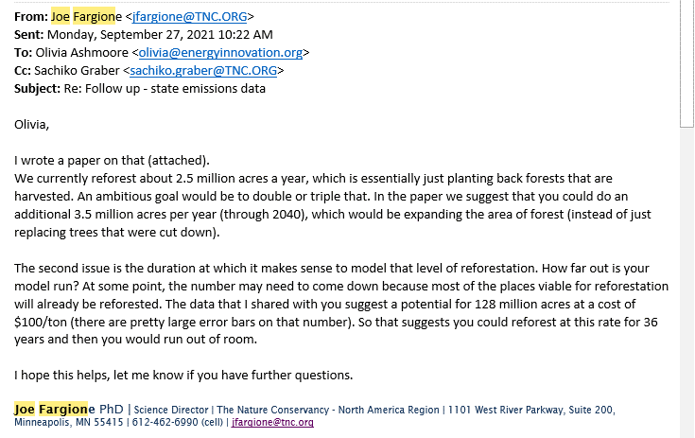
PLANAbPiaSY Potential Land Area Newly Affected by Policy in a Single Year

Sources: | Acres Available for Afforestation and Reforestation
 | Ross W. Gorte, Congressional Research Service
 | 2009
 | U.S. Tree Planting for Carbon Sequestration
 | https://www.fas.org/sgp/crs/misc/R40562.pdf
 | Page 2, Paragraph 2

 | Annual Acreage Cut
 | Forestry Industry and Analysis National Program
 | 2003
 | Trend Data
 | http://www.fia.fs.fed.us/slides/major-trends.pdf
 | Slide 5

 | U.S. Forest Acreage has been Increasing in All Regions
 | U.S. Forest Service
 | 2014
 | U.S. Forest Resource Facts and Historical Trends
 | http://www.fia.fs.fed.us/library/brochures/docs/2012/ForestFacts_1952-2012_English.pdf
 | Page 8

 | Total Forest Acreage and Rate of Use of Best Management Practices
 | U.S. Forest Service
 | 2010
 | National Report on Sustainable Forests 2010
 | http://www.fs.fed.us/research/sustain/docs/national-reports/2010/2010-sustainability-report.pdf
 | Total forest acreage:
 | Page II-16, "What does the indicator show?"
 | Rate of use of best management practices:
 | Table 20-1

 | CO2 per land unit: reforestation and avoided deforestation
 | Nature4Climate
 | US Carbon Mapper
 | https://nature4climate.org/u-s-carbon-mapper/
 | Data underlying the online mapper send by Joe Fargione upon request September 22, 2021

 | Reforestation per year
 | Fargione, et al.
 | Challenges to the Reforestation Pipeline in the United States
 | Frontiers in Forests and Global Change
 | February 2021
 | https://www.frontiersin.org/articles/10.3389/ffgc.2021.629198/full

Notes
Avoid deforestion, peatland restoration, and forest restoration policies
are not used in the U.S. version of the model.

Guidance regarding acres available per year:

